Sheet1
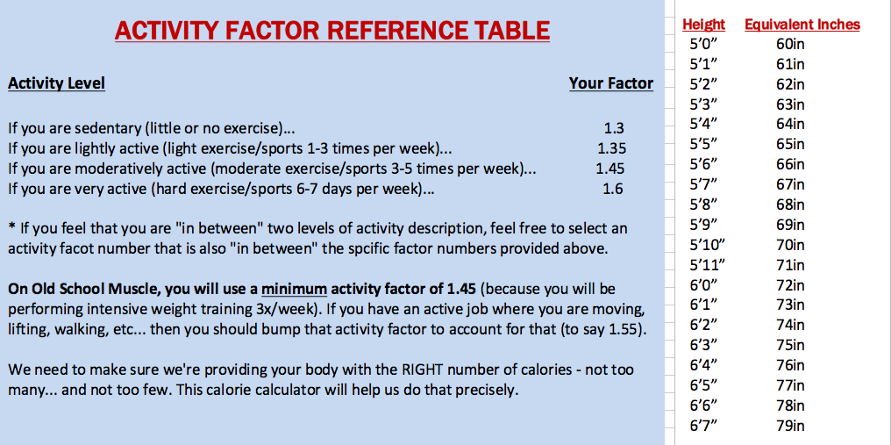
To use this calculator, you must hit FILE -> DOWNLOAD AS -> MICROSOFT EXCEL OR... FILE -> MAKE A COPY (to save a personal version you can use online)

Because thousands of guys see this public calculator every month, you can't directly edit this exact file or it would change the data cells for everybody. So, all you need to do is do to File -> Download as -> Microsoft Excel to open this file on your computer where you can edit it. Or you can make an online copy by going to File -> Make a copy. You will then have a private version of this calculator that you can edit online!
Enter your details below in the yellow highlighted boxes. This calculator will automatically generate your TDEE, which you will use in conjunction with the OSM Nutrition Guide to figure out your ideal protein, carb, and fat intake each day for the purposes of building muscle. To get access to the Old School Muscle Program, paste this url in your browser => https://ho114.infusionsoft.com/app/orderForms/OSM

 | Specify your gender. Are you Male or Female? | M | Please enter either "M" or "F"

 | Specify your height in inches. How tall are you? | 72 | Inches

 | Specify your weight. How much do you weigh? | 163 | Pounds

 | Specify your age. How old are you? | 63 | Years

 | Enter your activity factor (See reference table below). | 1.5 | Activity Factor

 | Total Daily Energy Expenditure (TEE) | 2351.9445 | Calories
 | *Remember: TEE is the average number of calories you burn each day with activity.
 | **Follow the step-by-step diet setups in the OSM Nutrition Guidebook using your TDEE number.

